metadata
File name | Bow-tie_CONTROLS & standardised vocabulary
Created/amended by | Anita Franco (IECS)
Created on | 04/19/2024
Last modified | 04/22/2024

File description | File created within WP5 of the EU project MARBEFES to provide standardised vocabulary for the CONTROLS (Prevention/Mitigation) of biodiversity change as used in Bow-ties (BTs)

File content: | Spreadsheet name | Lineage
 | CONTROLS_Vocabulary | Standardised vocabulary for CONTROLS of marine biodiversity changes. • The terms for controls are identified by name and alphanumerical ID (see columns 'Controls_name' and 'New ID#'). As controls may be defined as strategies or tools/measures, this additional categorisation has been added in column 'ID qualifier'. • Controls are identified according to a hierarchycal classification: (the increasing Level # indicated an increasing detail at which the element is defined): Level 1: Control theme (identify the higher-level type of control based on the instruments used and the part of the socio-economic-environmental system where they operate: nature/activities management measures; economic measure, legal/administrative measures etc.); Level 2: Generic control (within a sector/theme, defined in general terms; often (but not always) corresponing to a strategy adopted or vision driving the implementation of management measures rather than the measures/tools themselves; examples, not an exhaustive list); Level 3: Specific control (within a generic control defined in more specific terms; often (but not always) corresponing to aspecific measure/tool to implement a strategy; examples, not an exhaustive list). Additional levels may be added for controls specified with more detail. • The higher-level (Level 1) categorisation of controls in the vocabulary has been derived from the bow-ties developed in the H2020 EU Project CERES (Climate Change and European Aquatic Resources, https://ceresproject.eu/) and modified to takes into account the 10-tenets of adaptive management and sustainability (Elliott, 2013; Barnard and Elliott, 2015; *). The bow-ties developed in the H2020 EU Project CERES have been also used to define controls at the finer levels (levels 2 and 3), along with the harmonisation of the controls indicated by the MARBEFES BBTs in their draft BTs. Variables from Higher-level scenarios defined in Land2Sea project have also been integrated/harmonised in the vocabulary
 | CONTROLS from BBT Bow-ties | This spreadsheet reports the controls as indicated in the draft bow-ties (BTs) created by the BBTs in MARBEFES (March 2024) and harmonises them according to the standardised vocabulary above. • The elements indicated as controls in the draft BTs are reported in column 'Elements in draft BTs', with their source BT indicated in the column 'Source: BT generic theme (BBT#)'.** • The elements from the draft BTs are categorised according to the standardised vocabulary for consequences by reporting the term ID (as in 'New ID#' form the spreadsheets above). Note that in some BTs the control may be specified at a higher level of detail than the vocabulary category it belongs to (e.g. it can be a specific application of a typology of control measure). • Column 'Remarks' provides additional explanation where needed.

Additional notes:
* | 10-tenets of adaptive management and sustainability (from Barnard and Elliott, 2015)
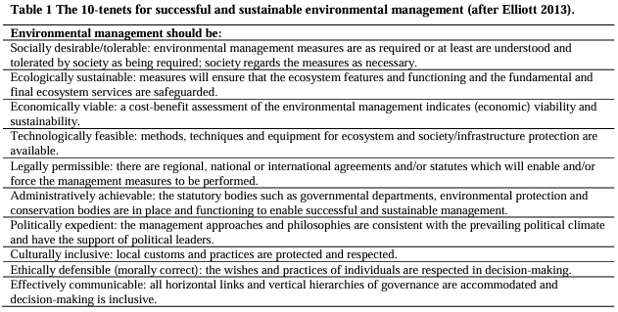

** | Control measures can be differentiated into:
 | PREVENTION controls, i.e. measures to prevent the change of biodiversity from happening or to reduce its magnitude.
 |  | These are normally measure to reduce or eliminate the pressure so that the effect on biodioversity is avoided or reduced
 |  | These control measures apply to the elements and links on the left of the BT
 | MITIGATION (incl. COMPENSATION) controls, i.e. measures to limit or reduce the magnitude of the consequences of the change of biodiversity on nature, society, economy etc.
 |  | These assume that the change in biodiversity is unavoidable and operate after the change in biodiversity has happened.
 |  | These control measures apply to the elements and links on the right of the BT
 | Some control measures may be applied as both prevention and mitigation controls.

